Timeline 2026
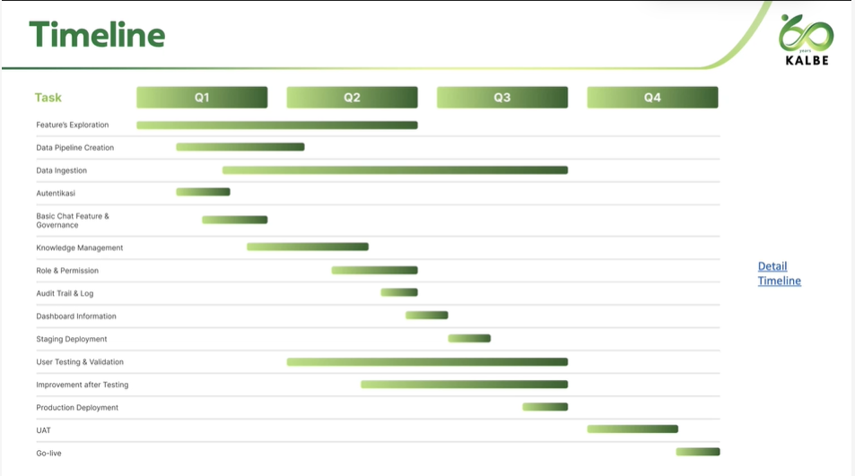
Time Line Pre-Development AI-KMS Project

No. | Activities | PIC | Score (%) | Plan / Actual | TimelIne (2026)
 |  |  |  |  | Jan |  |  |  | Feb |  |  |  | Mar |  |  |  | Apr |  |  |  | May |  |  |  | June |  |  |  | Jul |  |  |  | Aug |  |  |  | Sep |  |  |  | Oct |  |  |  | Nov |  |  |  | Dec
 |  |  |  |  | 1 | 2 | 3 | 4 | 1 | 2 | 3 | 4 | 1 | 2 | 3 | 4 | 1 | 2 | 3 | 4 | 1 | 2 | 3 | 4 | 1 | 2 | 3 | 4 | 1 | 2 | 3 | 4 | 1 | 2 | 3 | 4 | 1 | 2 | 3 | 4 | 1 | 2 | 3 | 4 | 1 | 2 | 3 | 4 | 1 | 2 | 3 | 4
1 | Feature exploration : - Data ingestion - Login mechanism - Synology data access | CDT , R&D | 5% | Plan | 0.42% | 0.42% | 0.42% | 0.42% | 0.42% | 0.42% | 0.42% | 0.42% | 0.42% | 0.42% | 0.42% | 0.42%
 |  |  |  | Actual | 0.42% | 0.42% | 0.42% | 0.42% | 0.42% | 0.42% | 0.42% | 0.42% | 0.42% | 0.42% | 0.42% | 0.42%
2 | Data Pipeline Creation | CDT | 10% | Plan |  |  |  |  | 1.00% | 1.00% | 1.00% | 1.00% | 1.00% | 1.00% | 1.00% | 1.00% | 1.00% | 1.00%
 |  |  |  | Actual |  |  |  |  | 1.00% | 1.00% | 1.00% | 0.00% | 0.25% | 0.25% | 0.25% | 0.25%
3 | Data Ingestion Create pipeline & validate pipeline for file format pdf non OCR, docx, xlsx, pptx | CDT | 10% | Plan |  |  |  |  |  |  |  |  | 0.45% | 0.45% | 0.45% | 0.45% | 0.45% | 0.45% | 0.45% | 0.45% | 0.45% | 0.45% | 0.45% | 0.45% | 0.45% | 0.45% | 0.45% | 0.45% | 0.45% | 0.45% | 0.45% | 0.45% | 0.45% | 0.45%
 |  |  |  | Actual |  |  |  |  |  |  |  |  | 0.45% | 0.45% | 0.20% | 0.20% | 0.00% | 0.00% | 0.00% | 0.00% | 0.00% | 0.00% | 0.00% | 0.00% | 0.00% | 0.00% | 0.00% | 0.00% | 0.00% | 0.00% | 0.00% | 0.00% | 0.00% | 0.00%
3.1 | Data Ingestion Batch 1 : .docx , .pdf |  |  | Plan |  |  |  |  |  |  |  |  | 0.45% | 0.45% | 0.45% | 0.45% | 0.45% | 0.45% | 0.45% | 0.45% | 0.45% | 0.45% | 0.45% | 0.45%
 |  |  |  | Actual |  |  |  |  |  |  |  |  | 0.45% | 0.45% | 0.00% | 0.00%
3.2 | Data Ingestion Batch 2 : .doc , .xlsx , .pptx |  |  | Plan |  |  |  |  |  |  |  |  |  |  |  |  |  |  |  |  |  |  |  |  | 0.45% | 0.45% | 0.45% | 0.45% | 0.45% | 0.45% | 0.45% | 0.45% | 0.45% | 0.45%
 |  |  |  | Actual
4 | Autentikasi | CDT | 5% | Plan |  |  |  |  | 1.25% | 1.25% | 1.25% | 1.25%
 |  |  |  | Actual |  |  |  |  | 1.25% | 1.25% | 1.25% | 1.00% | 0.25%
5 | Basic Chat Feature & Governance | CDT | 5% | Plan |  |  |  |  |  |  | 0.83% | 0.83% | 0.83% | 0.83% | 0.83% | 0.83%
 |  |  |  | Actual |  |  |  |  |  |  | 0.83% | 0.83% | 0.83% | 0.83% | 0.83% | 0.83%
6 | Knowledge Management | CDT | 5% | Plan |  |  |  |  |  |  |  |  |  |  | 0.50% | 0.50% | 0.50% | 0.50% | 0.50% | 0.50% | 0.50% | 0.50% | 0.50% | 0.50%
 |  |  |  | Actual |  |  |  |  |  |  |  |  |  |  | 0.00% | 0.00%
7 | Role & Permission | CDT | 5% | Plan |  |  |  |  |  |  |  |  |  |  |  |  |  |  |  |  | 0.63% | 0.63% | 0.63% | 0.63% | 0.63% | 0.63% | 0.63% | 0.63%
 |  |  |  | Actual
8 | Audit Trail & Log | CDT | 5% | Plan |  |  |  |  |  |  |  |  |  |  |  |  |  |  |  |  |  |  |  |  | 1.25% | 1.25% | 1.25% | 1.25%
 |  |  |  | Actual
9 | Dashboard Information | CDT | 5% | Plan |  |  |  |  |  |  |  |  |  |  |  |  |  |  |  |  |  |  |  |  |  |  | 1.25% | 1.25% | 1.25% | 1.25%
 |  |  |  | Actual
10 | Staging Deployment | CDT | 10% | Plan |  |  |  |  |  |  |  |  |  |  |  |  |  |  |  |  |  |  |  |  |  |  |  |  | 2.50% | 2.50% | 2.50% | 2.50%
 |  |  |  | Actual
11 | User Testing & Validation | R&D | 5% | Plan |  |  |  |  |  |  |  |  |  |  |  |  | 0.25% | 0.25% | 0.25% | 0.25% | 0.25% | 0.25% | 0.25% | 0.25% | 0.25% | 0.25% | 0.25% | 0.25% | 0.25% | 0.25% | 0.25% | 0.25% | 0.25% | 0.25% | 0.25% | 0.25%
 |  |  |  | Actual
12 | Improvement After Testing | CDT | 5% | Plan |  |  |  |  |  |  |  |  |  |  |  |  |  |  |  |  |  |  | 0.36% | 0.36% | 0.36% | 0.36% | 0.36% | 0.36% | 0.36% | 0.36% | 0.36% | 0.36% | 0.36% | 0.36% | 0.36% | 0.36%
 |  |  |  | Actual
13 | Production Deployment | CDT | 10% | Plan |  |  |  |  |  |  |  |  |  |  |  |  |  |  |  |  |  |  |  |  | 2.50% | 2.50% |  |  |  |  |  |  |  |  |  | 2.50% | 2.50%
 |  |  |  | Actual
14 | UAT | R&D | 10% | Plan |  |  |  |  |  |  |  |  |  |  |  |  |  |  |  |  |  |  |  |  |  |  | 5.00% |  |  |  |  |  |  |  |  |  | 5%
 |  |  |  | Actual
15 | Go-Live | CDT , R&D | 5% | Plan |  |  |  |  |  |  |  |  |  |  |  |  |  |  |  |  |  |  |  |  |  |  |  | 2.50% |  |  |  |  |  |  |  |  |  | 2.5%
 |  |  |  | Actual
 |  | Score | 100%

 | Achievement
 | Month | Target MTD | Achieved MTD | %MTD to timeline | Target YTD | Achieved YTD | %YTD to timeline
 | JAN | 1.67% | 1.67% | 100% | 1.67% | 2% | 100%
 | FEB | 12.33% | 11.08% | 90% | 14.00% | 12.75% | 91.07%
 | MAR | 11.82% | 7.56% | 64% | 25.82% | 20.31% | 78.66%
 | APR | 6.82% | 0.00% | 0% | 32.64% | 20.31% | 62.23%
 | MAY | 8.03% | 0.00% | 0% | 40.67% | 20.31% | 49.94%
 | JUN | 26.75% | 0.00% | 0% | 67.42% | 20.31% | 30.13%
 | JUL | 16.75% | 0.00% | 0% | 84.16% | 20.31% | 24.13%
 | AUG | 5.84% | 0.00% | 0% | 90.00% | 20.31% | 22.57%
 | SEP | 10.00% | 0.00% | 0% | 100.00% | 20.31% | 20.31%
 | OCT | 0.000% | 0.00% | #DIV/0! | 100.00% | 20.31% | 20.31%
 | NOV | 0.000% | 0.00% | #DIV/0! | 100.00% | 20.31% | 20.31%
 | DEC | 0.000% | 0.00% | #DIV/0! | 100.00% | 20.31% | 20.31%
 |  | 100.00%

MoM 23JAN26
 | Scribe: NMS Participant:
No. | Issues | Action | PIC | Time line
23-Jan-26
 |  | Doc OCR di exclude dulu dalam scope data ingestion Prioritize file dengan format .docx, .pdf, .xlsx, .pptx.

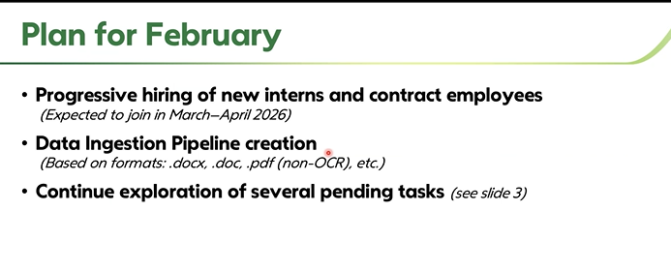

 |  |  |  |  | https://www.nature.com/articles/s41586-023-06792-0

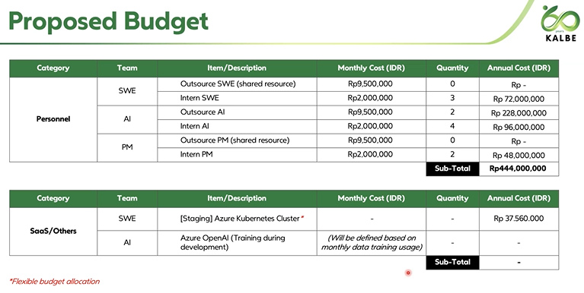

 |  |  |  |  | https://arxiv.org/pdf/2504.08066
 |  |  |  |  | https://arxiv.org/pdf/2408.06292
 |  |  |  |  | https://sakana.ai/ai-scientist/

